Clean
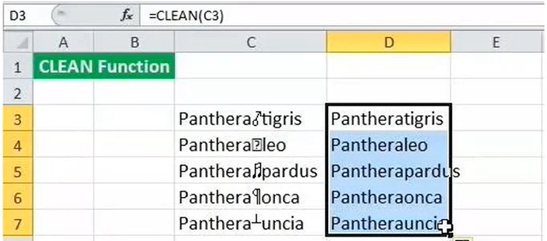
Your manager has given you a table of raw data to perform analysis on. The data has been pulled from multiple sources and needs to be standardized prior to analysis.

Product | Product
PROGRAF
PARIET
CONCERTA
LEUSTATIN
VELCADE
LEUSTATIN
VELCADE

 |  | Non-printable characters or formatting marks are characters for content designing in word processors, which are not displayed at printing.

Find the total of these values

121 211
226321
111243
224334
145532

TOTAL

